Sheet1
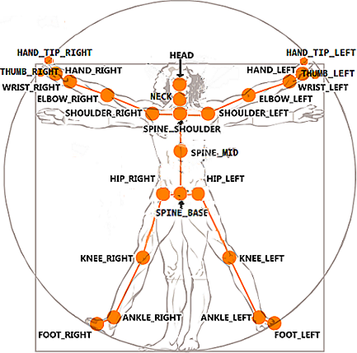
Kinect v2 Joints
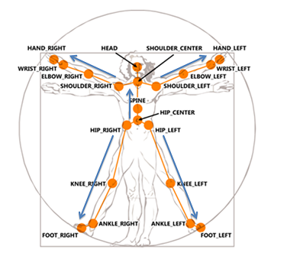
Kinect v1 Joints
VRPN Sensor | OpenNI Joint | Kinect v1 Joint | Kinect v2 Joint
0 | Head | Head | Head
1 | Neck | Shoulder Center | Spine Shoulder
2 | Torso | Spine | Spine Mid
3 | Waist | Hip Center | Spine Base
4 | Left Collar
5 | Left Shoulder | Shoulder Left | Shoulder Left
6 | Left Elbow | Elbow Left | Elbow Left
7 | Left Wrist | Wrist Left | Wrist Left
8 | Left Hand | Hand Left | Hand Left
9 | Left Fingertip |  | Hand Tip Left
10 | Right Collar
11 | Right Shoulder | Shoulder Right | Shoulder Right
12 | Right Elbow | Elbow Right | Elbow Right
13 | Right Wrist | Wrist Right | Wrist Right
14 | Right Hand | Hand Right | Hand Right
15 | Right Fingertip |  | Hand Tip Right
16 | Left Hip | Hip Left | Hip Left
17 | Left Knee | Knee Left | Knee Left
18 | Left Ankle | Ankle Left | Ankle Left
19 | Left Foot | Foot Left | Foot Left | Note: Joints numbers are picked to match the FAAST toolkit for interoperability.
20 | Right Hip | Hip Right | Hip Right
21 | Right Knee | Knee Right | Knee Right
22 | Right Ankle | Ankle Right | Ankle Right
23 | Right Foot | Foot Right | Foot Right
24 |  |  | Neck
25 |  |  | Thumb Left
26 |  |  | Thumb Right

